Field Conversion
Bourdet

From OilField to Metric |  |  |  |  | Conversion example
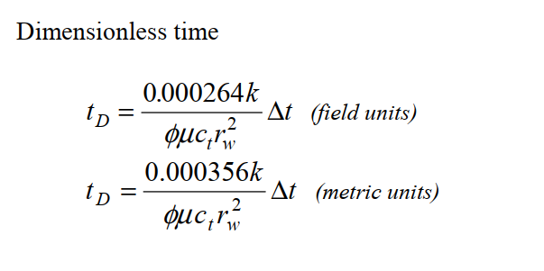

Length | 1 | ft = | 0.3048 | m
Liq rate | 1 | BOPD = | 0.1589837 | m3/D
Pressure | 1 | psi = | 0.06894747 | bar
Compress | 1 | psi-1 = | 14.503795426 | bar-1
rw2 = | 1 | ft | 0.09290304 | m2
 |  |  | 10.763910417

 |  |  |  |  | [1] = 0.000264 * mD * h / (1 cP * 1 psi-1 * (1ft)^2)

 |  |  |  |  | [1] = 0.000264 / (14.504 * 0.0929)

 |  |  |  |  | 0.0001959297669

 |  |  |  |  |  | k = | 1 | mD | 9.86923E-16 | m2
 |  |  |  |  |  | h = | 1 | m | 1 | m
 |  |  |  |  |  | p = | 1 | bar | 101325 | Pa
 |  |  |  |  |  | mu = | 1 | cP | 0.001 | Pa * s
 |  |  |  |  |  | r = | 1 | m | 1 | m

 |  |  |  |  |  | 1e-15 * m2 * 1 * 101325 Pa |  |  |  | 9.9999972975E-11
 |  |  |  |  |  | 0.001 * Pa s |  |  |  | 9.9999972975E-08 | 0.008639997665 | 0.054285105329 | 18.421259274

